Sheet1
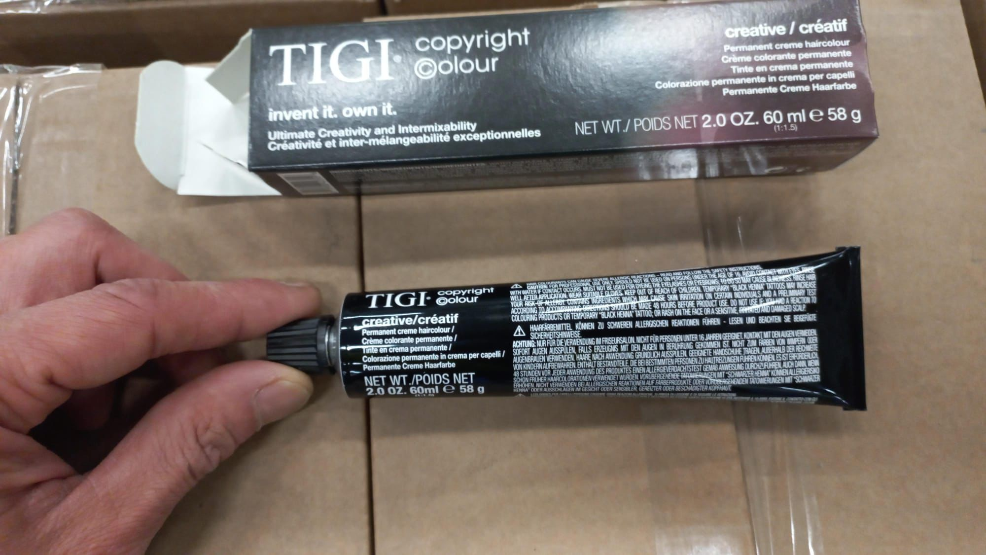
Hair Dye - Description | Available | Lines
CC RICH CREME ACTIVATOR 5 VOL 1.5% EU 1000ML | 7,488 | 1
CC RICH CREME ACTIVATOR 8.5 VOL EU 1000ML | 3,624 | 1
CC RICH CREME ACTIVATOR 30 VOL EU 1000ML | 1,164 | 1
CC RICH CREME ACTIVATOR 40 VOL EU 1000ML | 2,952 | 1
CC CREATIVE 2/0 DARKEST NATURAL BROWN 58G/60ML 2.1 OZ | 1,260 | 1
CC CREATIVE 6/0 DARK NATURAL BLONDE 58G/60ML 2.0 OZ | 1,764 | 1
CC CREATIVE 10/0 EXTRA LIGHT NATURAL BLONDE 58G/60ML 2.0 OZ | 2,844 | 1
CC CREATIVE 7/3 GOLDEN BLONDE 58G/60ML 2.1 OZ | 2,664 | 1
CC CREATIVE 8/3 LIGHT GOLDEN BLONDE 58G/60ML 2.1 OZ | 468 | 1
CC CREATIVE 8/08 LIGHT NATURAL ASH BLONDE | 1,764 | 1
CC CREATIVE 10/08 EXTRA LIGHT NATURAL ASH BLONDE | 2,700 | 1
CC CREATIVE 8/83 LIGHT BEIGE BLONDE 58G/60ML 2.1 OZ | 2,196 | 1
CC CREATIVE 10/21 EXTRA LIGHT VIOLET BLUE BLONDE 58G/60ML 2.0 OZ | 1,476 | 1
CC CREATIVE 6/1 DARK BLUE BLONDE 58G/60ML 2.1 OZ | 900 | 1
CC CREATIVE 1/1 BLUE BLACK 58G/60ML 2.1 OZ | 36 | 1
CC CREATIVE 8/71 LIGHT GREEN BLUE BLONDE 58G/60ML 2.1 OZ | 756 | 1
CC CREATIVE 33/22 INTENSE VIOLET DARK BROWN 58G/60ML 2.1OZ | 288 | 1
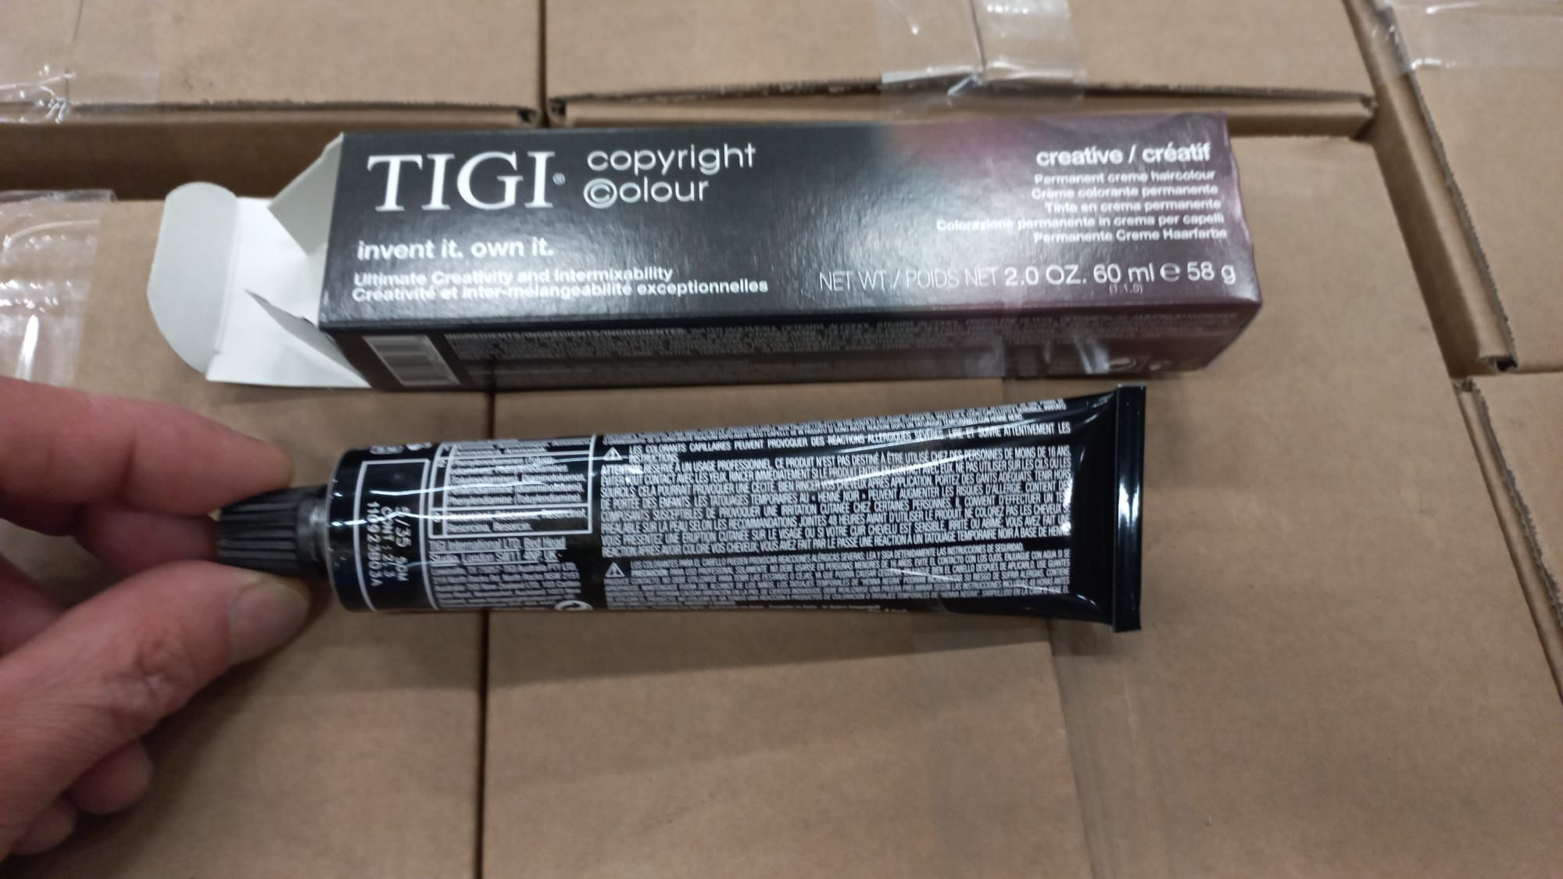
CC CREATIVE 6/34 DARK GOLDEN COPPER BLONDE V2 58G/60ML 2.1OZ | 1,080 | 1
CC CREATIVE 5/6 LIGHT RED BROWN V2 58G/60ML 2.1OZ | 4,104 | 1
CC CREATIVE 8/34 LIGHT GOLDEN COPPER BLONDE V2 58G/60ML 2.1OZ | 1,476 | 1
CC CREATIVE 77/66 INTENSE RED BLONDE V2 58G/60ML 2.1OZ | 2,772 | 1
CC CREATIVE 7/35 GOLDEN MAHOGANY BLONDE V2 58G/60ML 2.1OZ | 612 | 1
CC CREATIVE 66/64 INTENSE RED COPPER DARK BLONDE V2 58G/60ML 2.1OZ | 720 | 1
CC CREATIVE 7/4 COPPER BLONDE V2 58G/60ML 2.1OZ | 792 | 1
CC CREATIVE 9/4 VERY LIGHT COPPER BLONDE V2 58G/60ML 2.1OZ | 612 | 1
CC CREATIVE 6/46 DARK COPPER RED BLONDE V2 58G/60ML 2.1OZ | 36 | 1
CC CREATIVE 4/2 VIOLET BROWN V2 58G/60ML 2.1OZ | 360 | 1
CC CREATIVE 7/23 VIOLET GOLDEN BLONDE V2 58G/60ML 2.1OZ | 1,512 | 1
CC CREATIVE 9/8 VERY LIGHT ASH BLONDE V2 58G/60ML 2.1OZ | 972 | 1
CC CREATIVE 9/02 VERY LIGHT NATURAL VIOLET BLONDE V2 58G/60ML 2.1OZ | 2,448 | 1
CC CREATIVE 7/6 RED BLONDE V2 58G/60ML 2.1OZ | 1,008 | 1
CC CREATIVE 3/26 DARK VIOLET RED BROWN V2 58G/60ML 2.1OZ | 1,692 | 1
CC CREATIVE 4 NEUTRAL BROWN 58G 60ML 2.0 OZ | 396 | 1
CC CREATIVE 7 NEUTRAL BLONDE 58G 60ML 2.0 OZ | 540 | 1
CC CREATIVE 8 LIGHT NEUTRAL BLONDE 58G 60ML 2.0 OZ | 972 | 1
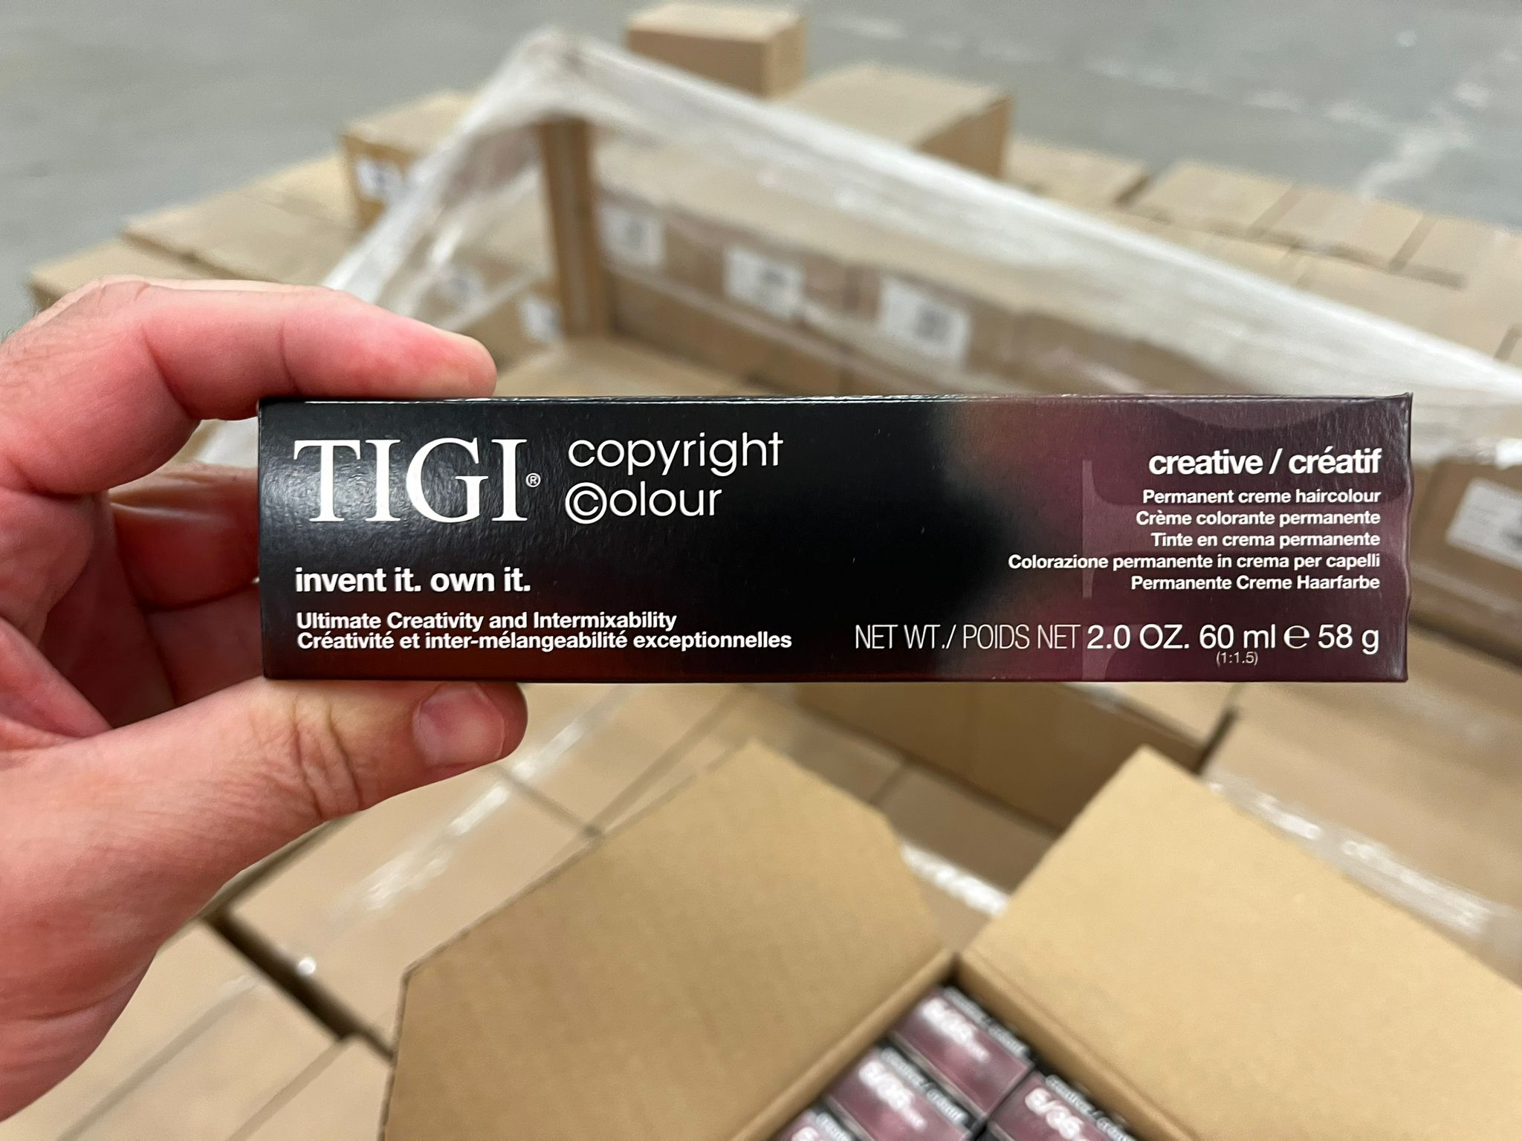
CC CREATIVE 77/46 INTENSE COPPER RED BLONDE 58G 60ML 2.1OZ | 3,168 | 1
CC CREATIVE 9/32 VERY LIGHT GOLDEN VIOLET BLONDE 58G 60ML 2.1OZ | 1,656 | 1
CC TIGI CR 4/53 MAHOGANY GOLDEN BROWN | 4,392 | 1
CC TIGI CR 4/65 RED MAHOGANY BROWN | 2,736 | 1
CC TIGI CR 9/35 VERY LIGHT GOLDEN MAHOGANY BLONDE | 1,584 | 1
CC GLOSS 2/0 DARKEST NATURAL BROWN 58G/60ML 2.1 OZ | 2,988 | 1
CC GLOSS 3/0 DARK NATURAL BROWN 58G/60ML 2.1 OZ | 4,068 | 1
CC GLOSS 5/0 LIGHT NATURAL BROWN 58G/60ML 2.0 OZ | 3,924 | 1
CC GLOSS 6/0 DARK NATURAL BLONDE 58G/60ML 2.0 OZ | 756 | 1
CC GLOSS 7/0 NATURAL BLONDE 58G/60ML 2.1 OZ | 1,332 | 1
CC GLOSS 8/0 LIGHT NATURAL BLONDE 58G/60ML 2.1 OZ | 3,924 | 1
CC GLOSS 6/34 DARK GOLDEN COPPER BLONDE 58G/60ML 2.1 OZ | 1,368 | 1
CC GLOSS 8/3 LIGHT GOLDEN BLONDE 58G/60ML 2.1 OZ | 2,088 | 1
CC GLOSS 7/4 COPPER BLONDE 58G/60ML 2.1 OZ | 504 | 1
CC GLOSS 9/83 VERY LIGHT ASH GOLDEN BLONDE 58G/60ML 2.1 OZ | 3,312 | 1
CC GLOSS 6/08 DARK NATURAL ASH BLONDE 58G/60ML 2.1 OZ | 2,232 | 1
CC GLOSS 6/3 DARK GOLDEN BLONDE 58G/60ML 2.1 OZ | 1,224 | 1
CC GLOSS 6/85 DARK ASH MAHOGANY BLONDE 58G/60ML 2.1 OZ | 1,584 | 1
CC GLOSS 4/88 INTENSE ASH BROWN 58G/60ML 2.1 OZ | 3,960 | 1
CC GLOSS 10/03 EXTRA LIGHT NATURAL GOLDEN BLONDE 58G 60ML 2.1OZ | 1,944 | 1
CC GLOSS 10/08 EXTRA LIGHT NATURAL ASH BLONDE 58G 60ML 2.0 OZ | 3,744 | 1
CC GLOSS 33/22 INTENSE VIOLET DARK BROWN 58G/60ML 2.1OZ | 504 | 1
CC GLOSS 55/22 INTENSE VIOLET LIGHT BROWN 58G/60ML 2.1OZ | 3,312 | 1
CC GLOSS 9/03 VERY LIGHT NATURAL GOLDEN BLONDE V2 58G/60ML 2.1OZ | 1,656 | 1
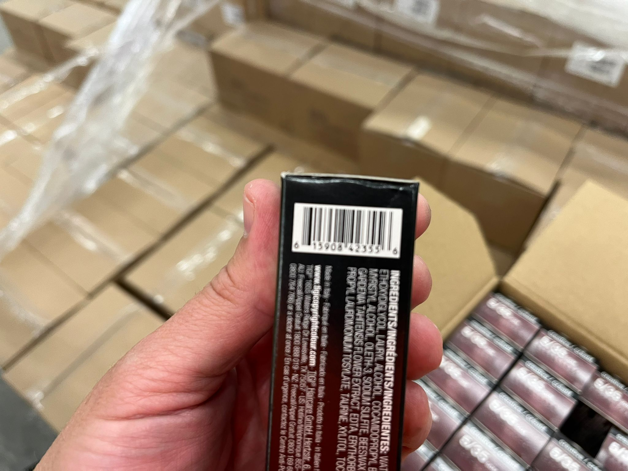
CC GLOSS 4/85 ASH MAHOGANY BROWN V2 58G/60ML 2.1OZ | 2,052 | 1
CC GLOSS 4/0 NATURAL BROWN V2 58G/60ML 2.1OZ | 4,752 | 1
CC GLOSS 5/5 LIGHT MAHOGANY BROWN V2 58G/60ML 2.1OZ | 1,512 | 1
CC GLOSS 5/38 LIGHT GOLDEN ASH BROWN V2 58G/60ML 2.1OZ | 2,772 | 1
CC GLOSS 00/ CLEAR 58G/60ML 2.0 OZ | 1,548 | 1
CC GLOSS 7/44 INTENSE COPPER BLONDE 58G 60ML 2.1OZ | 900 | 1
CC GLOSS 55/66 INTENSE RED LIGHT BROWN 58G 60ML 2.1OZ | 3,096 | 1
CC GLOSS 66/65 INTENSE RED MAHOGANY DARK BLONDE 58G 60ML 2.1OZ | 792 | 1
CC GLOSS 77/66 INTENSE RED BLONDE 58G 60ML 2.1OZ | 3,636 | 1
CC GLOSS 10/32 EXTRA LIGHT GOLDEN VIOLET BLONDE58G/60ML 2.1 OZ | 108 | 1
CC GLOSS 8/34 LIGHT GOLDEN COPPER BLONDE 58G/60ML 2.1 OZ | 216 | 1
CC GLOSS 9/32 VERY LIGHT GOLDEN VIOLET BLONDE 58G 60ML 2.1OZ | 792 | 1
CC GLOSS 7/32 GOLDEN VIOLET BLONDE 58G 60ML 2.1OZ | 3,168 | 1
CC GLOSS 6/23 DARK VIOLET GOLDEN BLONDE 58G 60ML 2.1OZ | 1,764 | 1
CC GLOSS 6/30 DARK GOLDEN NATURAL BLONDE 58G 60ML 2.1OZ | 4,284 | 1
CC TIGI GL 8/08 LIGHT NATURAL ASH BLONDE | 3,384 | 1
CC TIGI GL 5/07 LIGHT NATURAL GREEN BROWN | 2,952 | 1
CC TIGI GL 5/35 LIGHT GOLDEN MAHOGANY BROWN | 1,368 | 1
CC TIGI GL 7/35 GOLDEN MAHOGANY BLONDE | 3,096 | 1
CC TIGI GL 4/53 MAHOGANY GOLDEN BROWN | 3,888 | 1
CC TIGI GL 6/53 DARK MAHOGANY GOLDEN BLONDE | 2,592 | 1
CC LIFT 100/0 ULTRA LIGHT NATURAL BLONDE V2 58G 60ML 2.0 OZ | 972 | 1
CC LIFT 100/83 ULTRA LIGHT ASH GOLD BLONDE V2 58G 60ML 2.1OZ | 2,844 | 1
CC TIGI LIFT 100/21 ULTRA LIGHT VIOLET BLUE BLONDE | 3,600 | 1
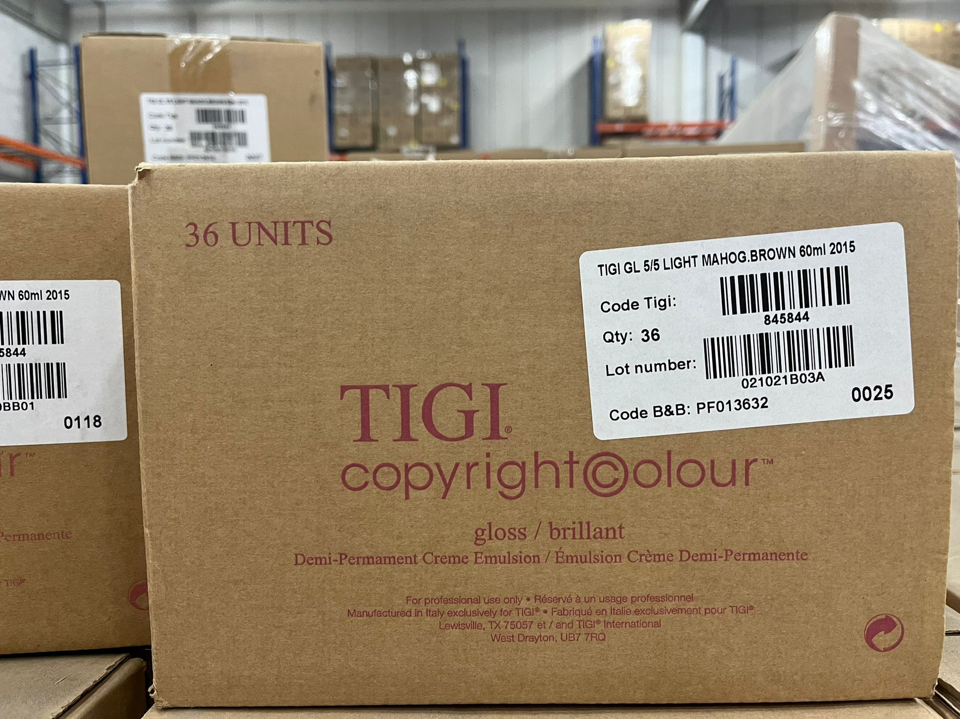
CC TIGI LIFT 100/2 ULTRA LIGHT INTENSE VIOLET BLONDE | 4,212 | 1
CC TIGI LIFT 100/82 ULTRA LIGHT ASH VIOLET BLONDE | 1,692 | 1
CC MIX MASTER /33 GOLD 58G/60ML 2.1 OZ | 1,332 | 1
CC MIX MASTER /44 COPPER 58G/60ML 2.1 OZ | 1,008 | 1
CC MIX MASTER /55 MAHOGANY 58G/60ML 2.1 OZ | 864 | 1
CC MIX MASTER 00/ CLEAR + 58G/60ML 2.1 OZ | 1,728 | 1
CC MIX MASTER /2 VIOLET V2 58G 60ML 2.1OZ | 1,800 | 1
CC MIX MASTER /6 RED 58G 60ML 2.1OZ | 1,260 | 1
 | 184,392 | 91

Accessories - Description | Available | Lines
CC HAIRCOLOUR TUBE KEY | 122 | 1
CC HAIRCOLOUR SCALE | 388 | 1
CC CAPE | 686 | 1
APRON TIGI | 25 | 1
TIGI GLOSS SWATCH BOOK | 27 | 1
TIGI CREATIVE/GLOSS SWATCHBOOK | 318 | 1
 | 1,566 | 6

TOTAL | 185,958 | 97

